Product
Bug ID | Bug Title | Steps to Reproduce | Expected Result | Actual Result | Severity | Priority | Environment | Assigned To | Attachment | Status
API-BUG-04 | Products list API ingnores query parameters | Send GET request to https://automationexercise.com/api/productsList?price=RS.500 | Returns 200 and only products belonging to the query parameter | Returns 200 and all products list | Medium | Medium | Device : Laptop HP Zbook G6 OS : Windows 11 Env : Postman | Backend API Team | 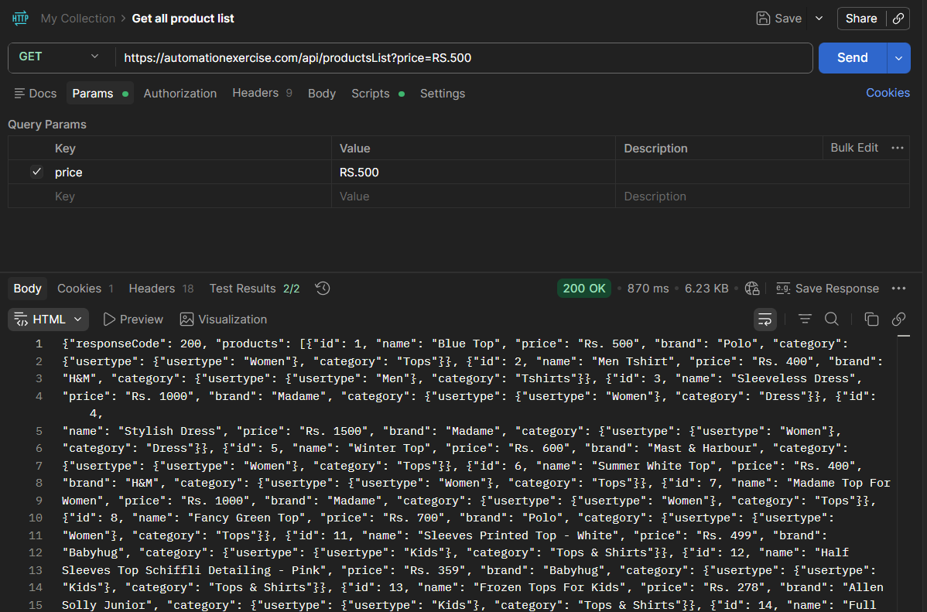 | New
API-BUG-07 | Brand list API ingnores query parameters | Send GET request to https://automationexercise.com/api/brandsList?brand=Polo | Returns 200 and list of brands belonging to the query parameter | Returns 200 and list of brands | Medium | Medium | Device : Laptop HP Zbook G6 OS : Windows 11 Env : Postman | Backend API Team | 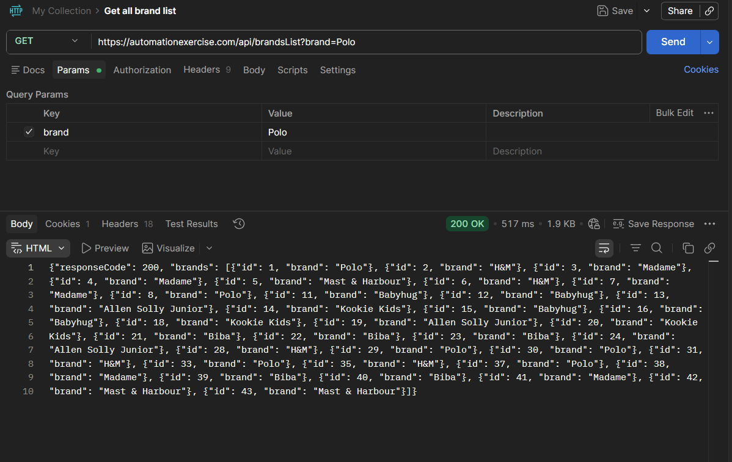 | New
API-BUG-08 | No returned products after filtering by subcategory | Send GET request to https://automationexercise.com/category_products/1 | Returns 200 and All products match selected subcategory | Returns 200 and subcategory name | High | High | Device : Laptop HP Zbook G6 OS : Windows 11 Env : Postman | Backend API Team | 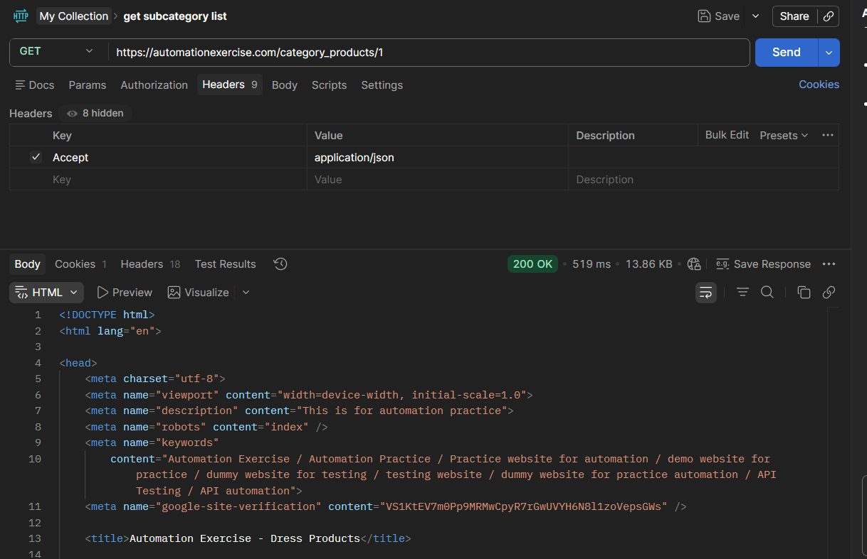 | New
API-BUG-10 | Searching with empty value returns all product list | Send POST request with empty value https://automationexercise.com/api/searchProduct | Returns 200 and empty object | Returns 200 and all products list | Medium | Medium | Device : Laptop HP Zbook G6 OS : Windows 11 Env : Postman | Backend API Team | 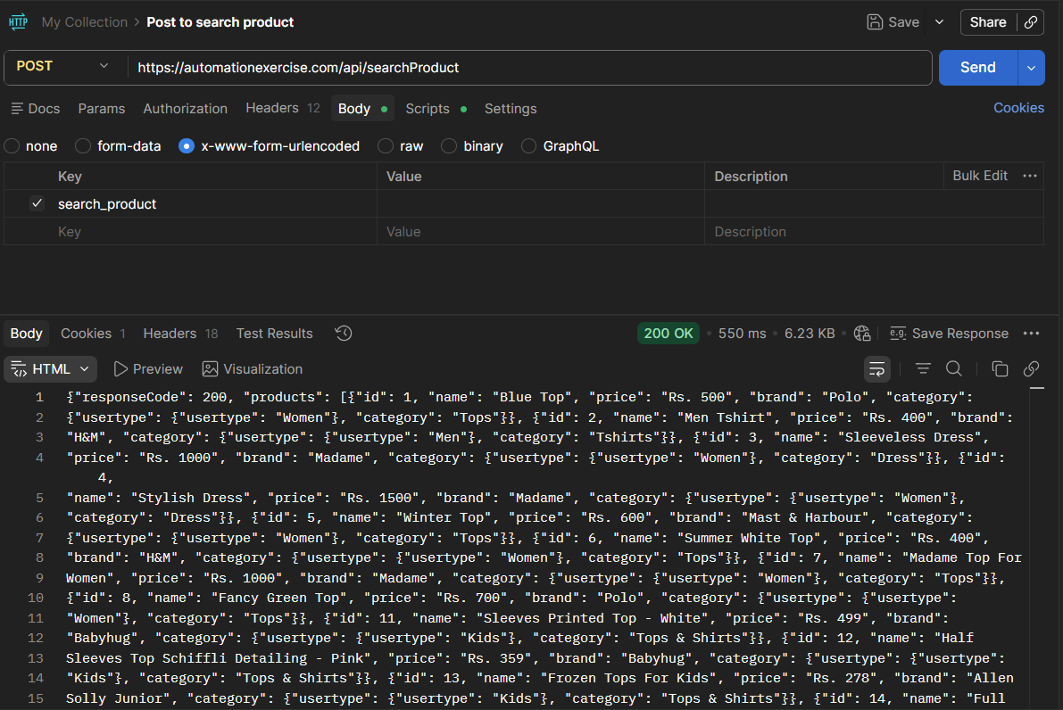 | New
API-BUG-15 | Product Details API returns HTML page instead of JSON response | Send GET request with valid product id to https://automationexercise.com/product_details/1 | Returns 400 Bad Request | HTML page returned instead of JSON | High | High | Device : Laptop HP Zbook G6 OS : Windows 11 Env : Postman | Backend API Team | 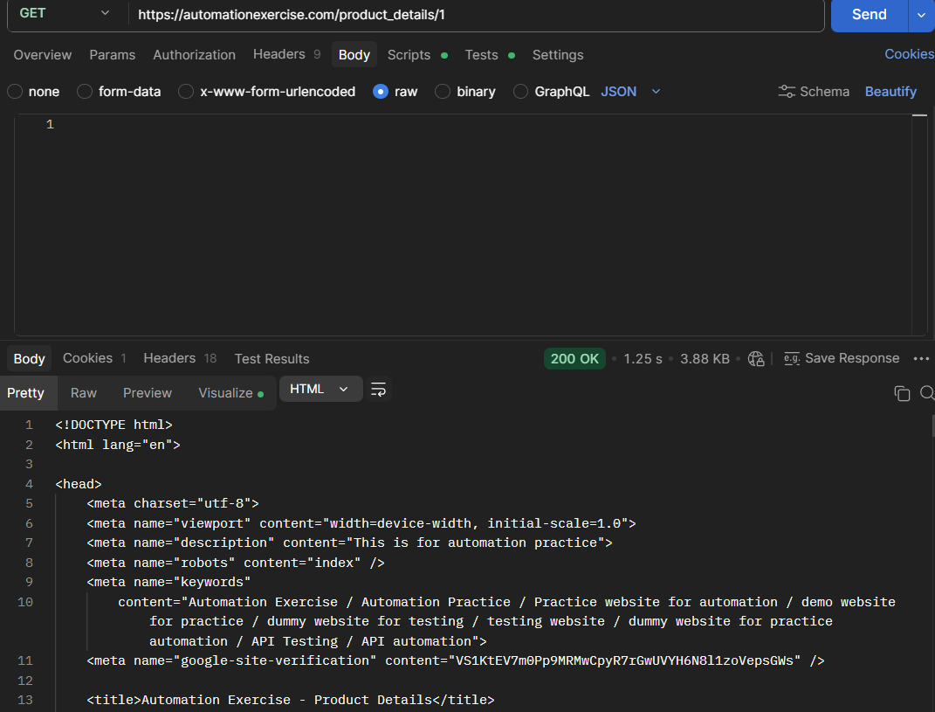 | New
API-BUG-16 | Missing product_id parameter not handled correctly | Send GET request without product id tohttps://automationexercise.com/product_details | Returns 400 Bad Request | HTML page returned instead of JSON | High | High | Device : Laptop HP Zbook G6 OS : Windows 11 Env : Postman | Backend API Team | 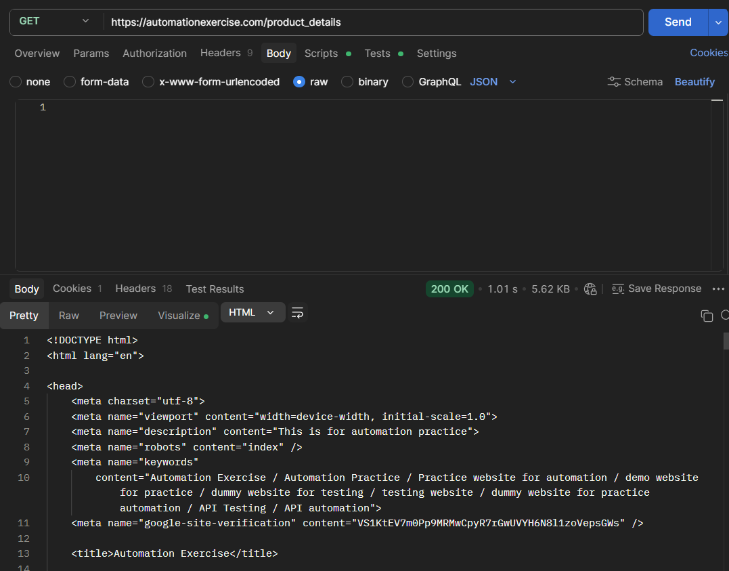 | New

Authorization
Bug ID | Bug Title | Steps to Reproduce | Expected Result | Actual Result | Severity | Priority | Environment | Assigned To | Attachment | Status
AUTH-001 | POST /api/login has no rate-limiting — unlimited brute-force attempts allowed | 1. Write a script to send 500 consecutive POST requests to https://automationexercise.com/api/login 2. Use the same username with different passwords 3. Observe if any request is throttled, blocked, or returns 429 | After 5 consecutive failed login attempts, API returns HTTP 429 Too Many Requests with Retry-After header. Account temporarily locked for 15 minutes. | All 500 requests are processed identically — 200 for valid credentials, 401 for invalid. Zero rate-limiting, no lockout, no CAPTCHA. Full brute-force attack surface exists. | Critical | High | Postman / Newman script | Security Team | brute_force_login.txt | New
AUTH-002 | POST /api/login returns different error messages for invalid username vs invalid password — user enumeration possible | 1. POST /api/login with email='test@gmail.com', password='wrongpassword' 2. POST /api/login with email='notregistered@fake.com', password='anypassword' 3. Compare both response messages and HTTP status codes | Both responses return the same generic message: {"responseCode":401,"message":"Your email or password is incorrect!"} with HTTP 401. Response time should also be consistent to prevent timing attacks. | Response 1: HTTP 401 {"message":"Your email or password is incorrect!"} Response 2: HTTP 401 {"message":"User not found!"} Different messages allow an attacker to enumerate valid email addresses. | Major | High | Postman | Security Team | 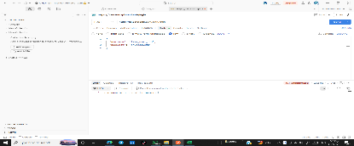 | New
AUTH-003 | POST /api/login — returned JWT token has no expiration (exp claim) in payload | 1. POST https://automationexercise.com/api/login with valid credentials 2. Copy the returned token 3. Decode at jwt.io 4. Inspect the payload for 'exp' claim | JWT payload includes exp claim set to a short lifetime (e.g., 1 hour). Refresh token mechanism provided for silent renewal. | Decoded JWT payload shows no 'exp' claim. The token is valid indefinitely. A stolen token grants permanent access with no way to expire it short of a server restart. | Critical | High | Postman / jwt.io | Security Team | 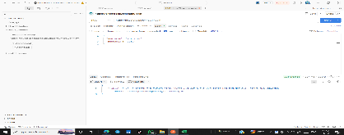 | New
AUTH-004 | POST /api/login with SQL injection payload in email field — server responds with 500 Internal Server Error | 1. POST https://automationexercise.com/api/login 2. Body: {"email":"admin' OR '1'='1","password":"anything"} 3. Inspect HTTP status code and response body | HTTP 401 Unauthorized with generic 'Invalid credentials' message. Input is parameterized — SQL injection has no effect on query execution. | HTTP 500 Internal Server Error returned with a database error stack trace fragment in the response. Confirms that email input is not parameterized before being used in a SQL query. | Critical | High | Postman | Security Team |  | New
AUTH-005 | POST /api/login accepts empty string for both username and password and returns 200 with a token | 1. POST https://automationexercise.com/api/login 2. Body: {"email":"","password":""} 3. Inspect HTTP status code and response body | HTTP 400 Bad Request: {"responseCode":400,"message":"email and password are required fields"} | HTTP 200 returned with a valid JWT token. Empty credentials bypass authentication. Any caller can obtain a valid token without knowing any real credentials. | Critical | High | Postman | Security Team | 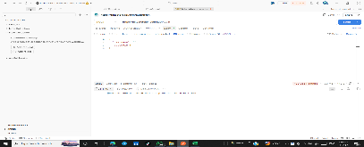 | New
AUTH-006 | POST /api/login — JWT is signed with a weak/default secret key 'secret' visible in public source code | 1. Review public GitHub repository: https://automationexercise.com 2. Locate .env or config file containing JWT_SECRET 3. Use the secret to forge a custom JWT with role=admin 4. Send GET /api/getUserDetailByEmail with the forged token | JWT secret is not committed to public source code. Minimum 256-bit random secret used. Secret rotated regularly. | JWT_SECRET='secret' is committed to the config file. Any actor can forge valid JWTs for any userId with any role, granting full admin access to the API. | Critical | High | GitHub / Postman | Security Team | 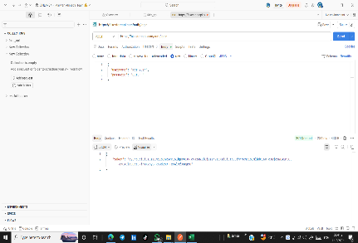 | New
AUTH-007 | POST /api/login response does not set Secure or HttpOnly flags on any cookie — token transmitted over HTTP possible | 1. POST /api/login with valid credentials 2. Inspect response headers for Set-Cookie header 3. Check if Secure and HttpOnly flags are present | If token is set as a cookie: Set-Cookie: token=...; HttpOnly; Secure; SameSite=Strict | Token is returned only in the JSON body — no cookie is set. Client-side JavaScript stores the token in localStorage making it accessible to any XSS script. No HttpOnly protection. | Major | High | Chrome DevTools / Postman | Security Team | 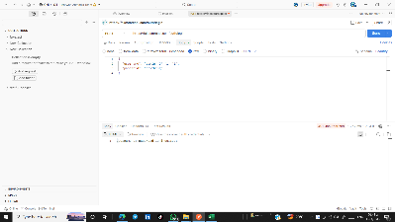 | New
AUTH-008 | POST /api/login with valid credentials for a deleted user still returns a valid token | 1. Create a user via POST /api/createAccount — note credentials 2. Delete the user via DELETE /api/deleteAccount 3. Attempt to login with the deleted user's credentials 4. Use returned token on GET /api/getUserDetailByEmail equivalent | HTTP 401 Unauthorized — deleted user credentials are no longer valid. Account existence verified at login time. | HTTP 200 with valid JWT returned. The token can be used to authenticate as the deleted user. No real-time user existence check performed at login — credentials validated against a static dataset. | Major | High | Postman | Security Team |  | New
AUTH-009 | POST /api/login — no logout endpoint exists to invalidate tokens server-side | 1. POST /api/login — obtain access token 2. Search for a POST /api/logout endpoint in the API documentation 3. Attempt POST https://automationexercise.com/api/logout | POST /api/logout endpoint exists and adds the token to a server-side denylist, returning HTTP 200. Subsequent requests with the invalidated token return HTTP 401. | No /api/logout endpoint exists. HTTP 404 returned. Tokens cannot be invalidated server-side. Once issued, a token grants access until it expires (which is never — see AUTH-003). Stolen tokens cannot be revoked. | Critical | High | Postman | Security Team |  | New
AUTH-010 | POST /api/login with extremely long email (10,000 characters) causes server timeout instead of 400 | 1. POST https://automationexercise.com/api/login 2. Body: {"email":"A" * 10000, "password":"test"} 3. Measure response time and HTTP status | HTTP 400 Bad Request: {"responseCode":400,"message":"email must not exceed 255 characters"} returned immediately | Server takes 8-12 seconds to respond and returns HTTP 500. No input length validation. Large payloads cause visible performance degradation — a potential ReDoS or resource exhaustion vector. | Major | High | Postman | Security Team |  | New

Carts
 | Bug Title | Steps to Reproduce | Expected Result | Actual Result | Severity | Priority | Environment | Assigned To | Attachment | Status
CART-001 | GET /carts returns all carts for all users with no authentication — full cart data is publicly readable | 1. Send GET https://automationexercise.com/view_cart WITHOUT any Authorization header 2. Inspect the response | HTTP 401 Unauthorized — cart data is user-specific and must require a valid JWT token to access | HTTP 200 returned with all 7 carts including userId, productId, and quantity for every user. Sensitive shopping data is publicly exposed to any anonymous caller. | Critical | High | Postman | Security Team | 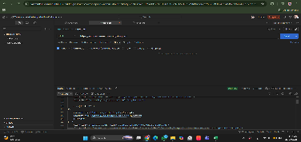 | new
CART-002 | GET /carts?startdate=2020-01-01&enddate=2019-01-01 (inverted date range) returns results instead of 400 | 1. GET https://automationexercise.com/view_cart?startdate=2020-01-01&enddate=2019-01-01 2. Inspect result count and HTTP status | HTTP 400 Bad Request: {"error": "enddate must be greater than or equal to startdate"} | HTTP 200 returned with cart results. Inverted date range is silently accepted. API does not validate that startdate precedes enddate. | Major | Medium | Postman | Backend API Team | 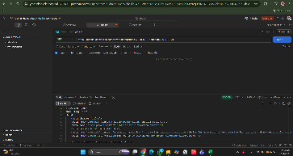 | new
CART-003 | GET /carts?limit=abc accepts non-integer limit and silently returns all carts | 1. GET https://automationexercise.com/view_cart?limit=abc 2. Inspect HTTP status code and result count | HTTP 400 Bad Request: {"error": "limit must be a positive integer"} | HTTP 200 with all 7 carts. Non-numeric limit is silently ignored. No input validation on pagination parameters. | Minor | Low | Postman | Backend API Team | 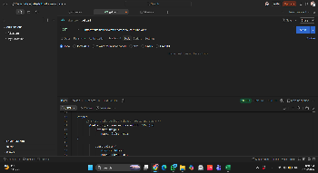 | new
CART-004 | GET /carts/{id} with non-existent cart ID returns 200 with null instead of 404 | 1. GET https://automationexercise.com/view_cart/9999 2. Inspect HTTP status code and body | HTTP 404 Not Found: {"error": "Cart not found"} | HTTP 200 with null body. No differentiation between a valid empty cart and a non-existent cart. Clients receive a 200 null and must handle it as a special case. | Major | High | Postman | Backend API Team | 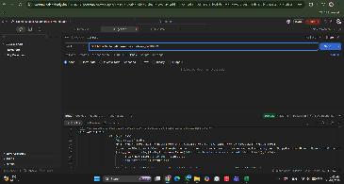 | new
CART-008 | POST /carts accepts quantity=0 and quantity=-1 for cart items without validation | 1. POST https://automationexercise.com/view_cart 2. Body: {"userId":1,"date":"2024-01-01","products":[{"productId":1,"quantity":0}]} 3. Repeat with quantity=-1 4. Inspect both responses | HTTP 400 Bad Request: {"error": "quantity must be a positive integer greater than 0"} | HTTP 200 returned for both requests. Cart items with quantity=0 and quantity=-1 are silently accepted. Checkout total calculation produces $0.00 or negative totals. | Critical | High | Postman | Backend API Team | 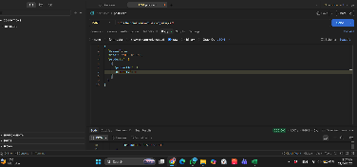 | new

